Sheet1
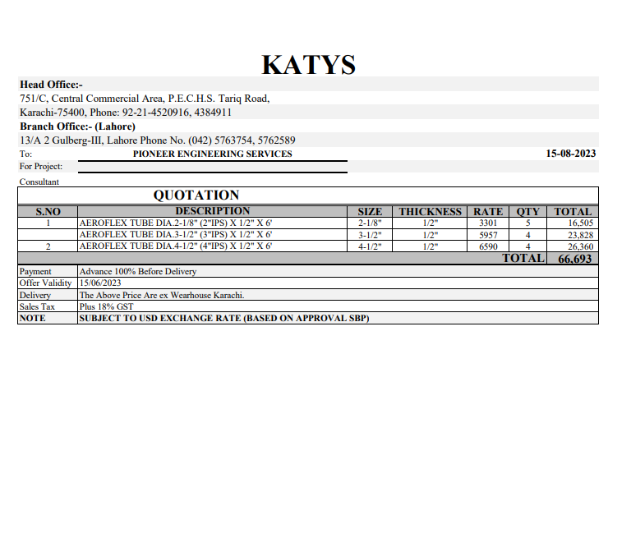


Variation order for Drainage pipe insulation - Dolmen Family Area DMC Karachi

S. # | Description | Material Rate | Labour Rate | Wastage 10% | Over Head profit 20% | Tax 7.5% | Unit | Qty | Amount | Total Construction
1 | Supply and installation of Aeroflex NBR insulation over UPVC drainage pipe. |  |  |  | - | - |  |  | - | 1.175
i | 04" dia | 1,290 | 153 | 129.02 | 314 | 141 | Rft | 24 | 48,666
ii | 03" dia | 1,119 | 153 | 111.86 | 277 | 124 | Rft | 24 | 42,824
iii | 02" dia | 646 | 153 | 64.63 | 173 | 78 | Rft | 30 | 33,422
2 | Supply and installation of PVC Black tape 2" Wide | 23,500 | 3,525 | - | 5,405 | 2,432 | Carton | 1 | 34,862.25
3 | Supply and installation of related PVC fittings for insulation. | 23,500 | 11,750 | - | 7,050 | 3,173 | Job | 1 | 45,472.50
Total Amount Rs |  |  |  |  |  |  |  |  | 205,248 | OK

Note: Billling will be charged on actual measurement.

Thanking you,

For PIONEER ENGINEERING SERVICES.

Bilal Habib

